README
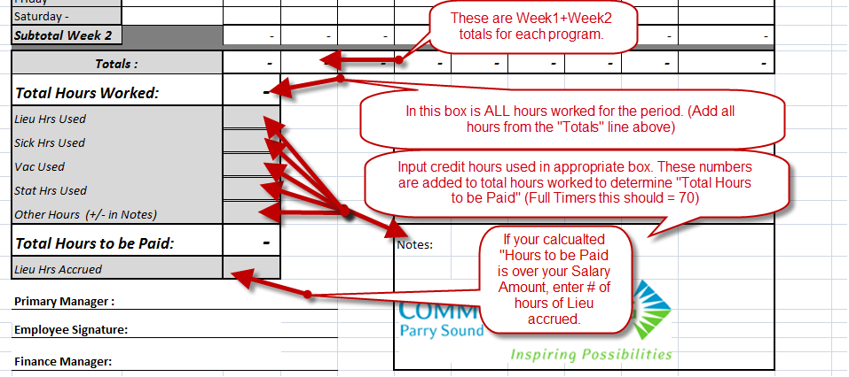
Note : If you have hours in multiple programs where more than one managers signature is required, You will need a seperate timesheet for those hours. Example : 10 hours in C.S will need a timesheet signed by Donna Kaczor and 20 hours in T.Y.S will need a seperate timesheet signed by Paula Mullen.
If you Fill out on your computer (in this Excel sheet) the totals will be calculated automaticlly.
Note: "Lieu Hrs Accrued" will need to be enterd manually and "Total Paid" will be recalculated Automatically for Full timers.

Step 1 : FILLING OUT YOUR NEW TIMESHEET

Step 2 : REPEAT STEP 1 FOR WEEK # 2

Step 3 : GETTING YOUR TOTALS

